Dashboard
BIKE DEKHO INSIGHTS DASHBOARD

Bike Purchase by Gender
 | No | Yes
Female | 258 | 243
Male | 273 | 252
Bike purchase by Age bracket
 | No | Yes
Adult | 214 | 272
Middle Aged | 174 | 152
Senior Citizen | 72 | 30
Young Adult | 71 | 41
Region wise Purchase
 | No | Yes
Europe | 160 | 156
North America | 288 | 220
Pacific | 83 | 119

Education vs Bike Purchase
 | No | Yes
Bachelors | 142 | 169
Graduate Degree | 80 | 95
High School | 102 | 82
Partial College | 151 | 127
Partial High School | 56 | 22
Commute Distance vs Bike Purchase
 | No | Yes
0-1 Miles | 171 | 207
10+ Miles | 80 | 33
1-2 Miles | 93 | 83
2-5 Miles | 67 | 95
5-10 Miles | 120 | 77
House Owner vs Bike Purchase
 | No | Yes
No | 166 | 163
Yes | 365 | 332

Maritial Status Distribution
 | Total
Married | 549
Single | 477
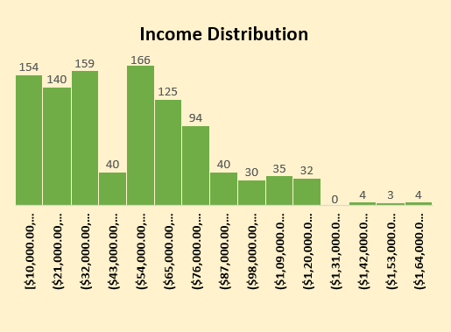
Average Income Per Occupation
 | Total
Clerical | $31,229.95
Management | $86,609.20
Manual | $17,460.32
Professional | $75,571.43
Skilled Manual | $51,737.45

